Agenda
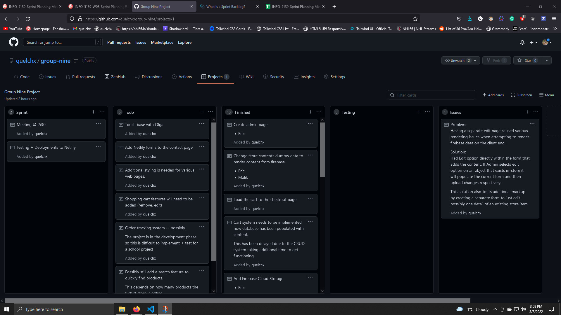
Sprint Planning Meeting 2
Group Number: | 9

Attendees (Last name, First Name) | Present | Absent | Notes/Comments
Eric | X
Reriog | X
Jose | X
Malik | X
Olga |  | X | Due to War in Ukraine -- hard to establish set time.

Add a screenshot of your "Agile Task Board" below:

